Plan
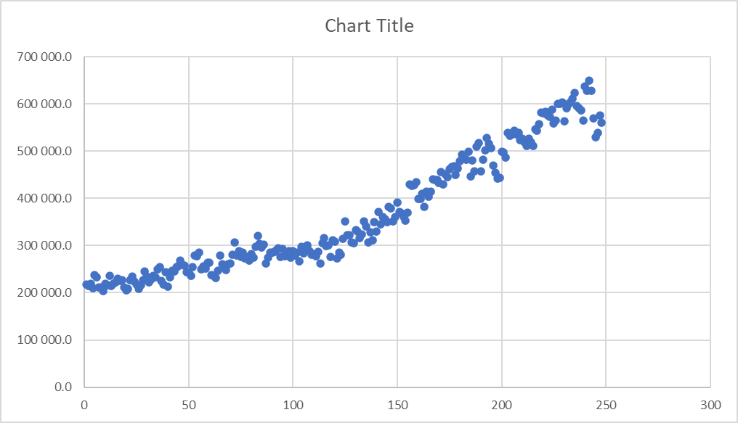
Resources |  |  |  | Arima
Table 1 |  |  |  |  |  |  |  |  |  |  |  |  |  | Table 4
US- Oil Export- 2005-2020 (Q1) |  |  |  |  |  |  |  |  |  |  |  |  |  | Table 4 - CA Crude Export (Q2)
Table 1
38367 | 1239
38398 | 541
38426 | 1111
38457 | 1345
38487 | 1694
38518 | 640
38548 | 1058
38579 | 531
38610 | 727
38640 | 530
38671 | 1445
38701 | 759
38732 | 849
38763 | 415
38791 | 903
38822 | 794
38852 | 829
38883 | 987
38913 | 414
38944 | 472
38975 | 631
39005 | 1152
39036 | 714
39066 | 839
39097 | 294
39128 | 703
39156 | 1047
39187 | 573
39217 | 1117
39248 | 1565
39278 | 822
39309 | 1307
39340 | 1013
39370 | 337
39401 | 603
39431 | 626
39462 | 364
39493 | 578
39522 | 910
39553 | 419
39583 | 581
39614 | 659
39644 | 894
39675 | 1234
39706 | 1173
39736 | 1321
39767 | 916
39797 | 1413
39828 | 1122
39859 | 833
...
Date | Export (bbls) |  |  |  |  |  |  |  |  |  |  |  |  | Date | Light (> 30 API) | Medium (25 - 30 API) | Heavy (<25 API) | Total (m3/d)

Calculate: |  |  |  |  |  |  |  |  |  |  |  |  |  | Calculation:
1 | Trend from 2005-2020 |  |  |  |  |  |  |  |  |  |  |  |  | 1 | Trend of Canadian Crude oil export
Table 2 |  |  |  |  |  |  |  |  |  |  |  |  |  |  | (similar to table 1)
US - Primary Enery Production - 2005 - 2020 (BTU) (Q5) |  |  |  |  |  |  |  |  |  |  |  |  |  | 2 | (Optional) Convert to bbl and combine with Table 1, and graph 2 data on the same graph
 |  |  |  |  |  |  |  |  |  |  |  |  |  | Table 5
Date | Coal Production (Quadrillion Btu) | Natural Gas (Dry) Production (Quadrillion Btu) | Crude Oil Production (Quadrillion Btu) | Natural Gas Plant Liquids Production (Quadrillion Btu) | Total Fossil Fuels Production (Quadrillion Btu) | Nuclear Electric Power Production (Quadrillion Btu) | Hydroelectric Power Production (Quadrillion Btu) | Geothermal Energy Production (Quadrillion Btu) | Solar Energy Production (Quadrillion Btu) | Wind Energy Production (Quadrillion Btu) | Biomass Energy Production (Quadrillion Btu) | Total Renewable Energy Production (Quadrillion Btu) | Total Primary Energy Production (Quadrillion Btu) | Table 5 - CA - Primary Electricity Production (2008-2020) (MWH) (Q5)
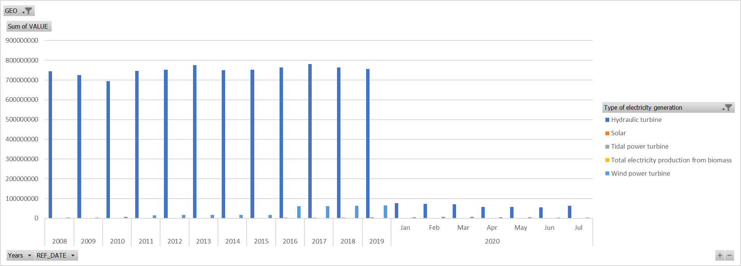
Total
38353 | 31275.969
38384 | 27828.054
38412 | 30304.749
38443 | 30259.349
38473 | 34822.251
38504 | 34419.085
38534 | 33521.482
38565 | 28801.78
38596 | 24657.588
38626 | 25188.405
38657 | 26674.784
38687 | 29897.158
38718 | 35871.638
38749 | 32135.701
38777 | 32823.663
38808 | 36415.627
38838 | 38854.114
38869 | 37539.738
38899 | 33560.838
38930 | 29622.294
38961 | 24921.854
38991 | 25349.87
39022 | 28576.089
39052 | 30100.478
39083 | 34712.305
39114 | 26443.501
39142 | 32941.931
39173 | 32583.585
39203 | 34667.964
39234 | 31365.537
39264 | 30848.999
39295 | 28835.231
39326 | 23585.161
39356 | 24158.002
39387 | 24710.813
39417 | 27894.458
39448 | 31021.89
39479 | 28137.647
39508 | 32372.027
39539 | 33204.933
39569 | 38320.976
39600 | 40322.264
39630 | 35888.296
39661 | 30743.626
39692 | 25101.743
39722 | 26117.011
39753 | 26450.408
39783 | 33251.568
39814 | 35229.661
39845 | 29042.71
...
 | Hydroelectricity | Geothermal | Solar | Waste | Wind | Wood
38353 | 24272.165 | 1252.144 | 8.668 | 1278.347 | 1131.569 | 3333.076
38384 | 21606.774 | 1063.014 | 13.082 | 1123.407 | 966.482 | 3055.295
38412 | 22936.068 | 1204.252 | 38.157 | 1277.929 | 1560.626 | 3287.717
38443 | 23058.359 | 1187.134 | 58.263 | 1222.542 | 1697.504 | 3035.547
38473 | 27278.511 | 1264.308 | 81.153 | 1351.152 | 1746.43 | 3100.697
38504 | 26782.99 | 1248.056 | 88.476 | 1329.134 | 1796.924 | 3173.505
38534 | 25956.842 | 1272.697 | 72.329 | 1381.227 | 1420.942 | 3417.445
38565 | 21565.679 | 1253.785 | 75.845 | 1348.025 | 1138.032 | 3420.414
38596 | 17363.684 | 1222.659 | 61.108 | 1283.007 | 1468.347 | 3258.783
38626 | 18006.36 | 1247.204 | 37.665 | 1205.376 | 1446.19 | 3245.61
38657 | 19352.668 | 1219.61 | 12.755 | 1290.21 | 1609.691 | 3189.85
38687 | 22141.157 | 1256.88 | 2.793 | 1330.037 | 1827.814 | 3338.477
38718 | 27436.656 | 1229.567 | 12.935 | 1388.234 | 2382.633 | 3421.613
38749 | 24761.683 | 1110.817 | 19.533 | 1270.35 | 1921.958 | 3051.36
38777 | 24624.609 | 1261.29 | 33.404 | 1344.34 | 2358.632 | 3201.388
38808 | 28555.683 | 1129.089 | 52.074 | 1226.903 | 2471.762 | 2980.116
38838 | 30818.443 | 1095.602 | 70.735 | 1371.355 | 2458.683 | 3039.296
38869 | 29757.284 | 1199.177 | 69.702 | 1328.039 | 2051.766 | 3133.77
38899 | 25439.392 | 1261.352 | 61.656 | 1399.065 | 1955.064 | 3444.309
38930 | 21728.354 | 1288.959 | 82.993 | 1388.888 | 1655.187 | 3477.913
38961 | 17201.461 | 1219.458 | 53.99 | 1307.632 | 1879.144 | 3260.169
38991 | 17055.177 | 1275.227 | 32.283 | 1332.484 | 2442.13 | 3212.569
39022 | 20271.723 | 1207.438 | 15.686 | 1358.822 | 2540.489 | 3181.931
39052 | 21595.951 | 1290.052 | 2.713 | 1382.411 | 2471.69 | 3357.661
39083 | 26044.711 | 1295.617 | 12.842 | 1370.712 | 2452.315 | 3536.108
39114 | 18566.633 | 1122.49 | 19.244 | 1200.214 | 2519.793 | 3015.127
39142 | 24163.456 | 1204.13 | 48.488 | 1373.07 | 3047.092 | 3105.695
39173 | 23890.583 | 1157.975 | 54.464 | 1253.621 | 3171.703 | 3055.239
39203 | 26046.976 | 1154.708 | 84.192 | 1348.72 | 2952.341 | 3081.027
39234 | 22816.608 | 1238.178 | 84.458 | 1392.436 | 2620.416 | 3213.441
39264 | 22477.761 | 1250.382 | 85.793 | 1443.056 | 2158.372 | 3433.635
39295 | 19940.551 | 1254.578 | 75.163 | 1439.539 | 2699.365 | 3426.035
39326 | 14742.534 | 1217.726 | 68.212 | 1400.205 | 2866.722 | 3289.762
39356 | 14796.434 | 1264.546 | 49.233 | 1425.648 | 3376.54 | 3245.601
39387 | 15682.053 | 1210.973 | 24.302 | 1425.131 | 3095.036 | 3273.318
39417 | 18341.675 | 1265.909 | 5.402 | 1452.203 | 3490.232 | 3339.037
39448 | 20779.131 | 1208.838 | 16.289 | 1406.708 | 4273.185 | 3337.739
39479 | 18788.886 | 1086.683 | 35.842 | 1364.461 | 3851.749 | 3010.026
39508 | 21668.938 | 1250.801 | 74.6 | 1472.452 | 4782.02 | 3123.216
39539 | 22233.932 | 1218.121 | 94.141 | 1503.519 | 5225.282 | 2929.938
39569 | 27221.147 | 1258.915 | 98.744 | 1474.908 | 5340.284 | 2926.978
39600 | 29177.427 | 1260.302 | 128.164 | 1501.889 | 5140.376 | 3114.106
39630 | 25555.086 | 1278.754 | 110.878 | 1608.425 | 4008.401 | 3326.752
39661 | 21229.277 | 1272.715 | 105.282 | 1529.496 | 3264.406 | 3342.45
39692 | 16178.192 | 1233.687 | 92.597 | 1426.644 | 3111.452 | 3059.171
39722 | 15469.942 | 1276.855 | 60.243 | 1489.617 | 4756.401 | 3063.953
39753 | 15667.934 | 1233.292 | 28.848 | 1449.293 | 4993.646 | 3077.395
39783 | 20861.491 | 1261.013 | 18.687 | 1506.347 | 6615.899 | 2988.131
39814 | 23490.296 | 1288.81 | 7.19 | 1462.399 | 5950.825 | 3030.141
39845 | 17812.032 | 1167.779 | 30.444 | 1357.453 | 5852.175 | 2822.827
...
Calculate: |  |  |  |  |  |  |  |  |  |  |  |  |  | Date | Total all types of electricity generation | Hydraulic turbine 3 | Conventional steam turbine 4 | Nuclear steam turbine 5 | Internal combustion turbine 6 | Combustion turbine 7 | Total electricity production from combustible fuels 8 | Tidal power turbine 9 | Wind power turbine 10 | Solar 11 | Other types of electricity generation
1 | Energy Production % from Renewable Energy
2 | Energy Production % from Crude Oil |  |  |  |  |  |  |  |  |  |  |  |  | Transformation:
3 | Trend from 2005-2020 |  |  |  |  |  |  |  |  |  |  |  |  | 1 | This data set has many imcomplete rows, need to find way to deal with this
4 | Combine Table 1 and Table 2, calculate % Crude Exports over Total Production |  |  |  |  |  |  |  |  |  |  |  |  | Calculation
Table 9 |  |  |  |  |  |  |  |  |  |  |  |  |  | 1 | Add a column: Add all renewable columns
Table 9 - US Energy production by sources (Million KWH) |  |  |  |  |  |  |  |  |  |  |  |  |  | 2 | Energy Production % from Renewable Energy
Date | Value (KWH) |  |  |  |  |  |  |  |  |  |  |  |  | 3 | Energy Production % from Crude Oil
Note: |  |  |  |  |  |  |  |  |  |  |  |  |  | 4 | Trend from 2005-2020
 |  |  |  |  |  |  |  |  |  |  |  |  |  | 5 | Combine Table 4 and Table 5, calculate % Crude Exports over Total Production
Table 3 |  |  |  |  |  |  |  |  |  |  |  |  |  | Table 6 (replaced with API)
Table 3 - US Dollar Index (Q1) |  |  |  |  |  |  |  |  |  |  |  |  |  | Table 6 - US/CA Exchange from 2005-2020 (CAD trend for Q2)
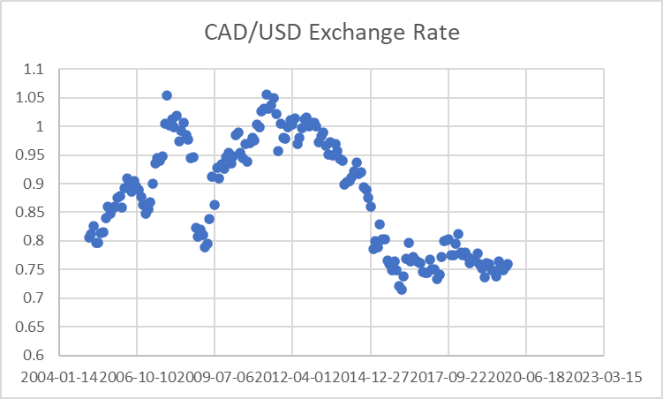
Source | https://www.tradingview.com/symbols/TVC-DXY/
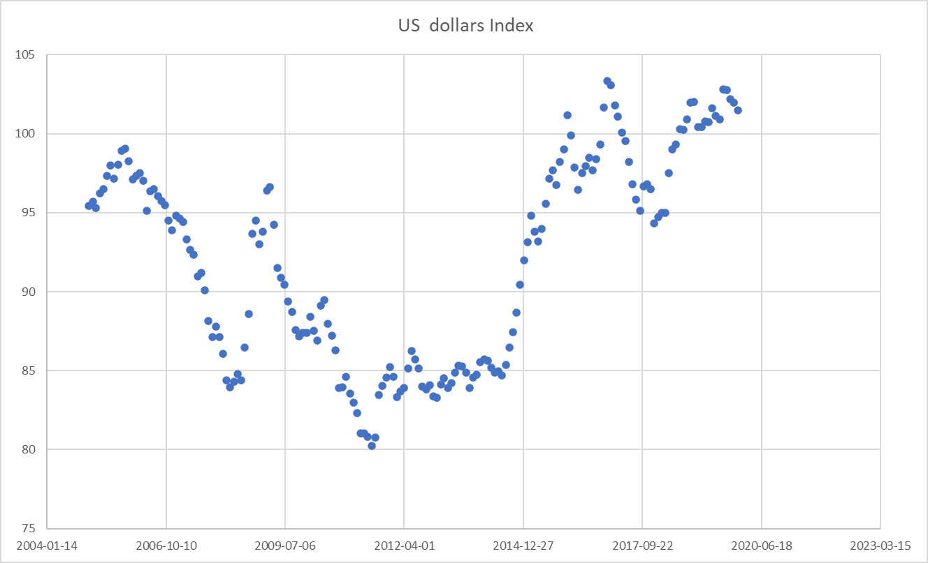
Definition | The U.S. Dollar Index tracks the strength of the dollar against a basket of major currencies. (DXY) originally was developed by the U.S. Federal Reserve in 1973 to provide an external bilateral trade-weighted average value of the U.S. dollar against global currencies. U.S. Dollar Index goes up when the U.S. dollar gains "strength" (value), compared to other currencies. The following six currencies are used to calculate the index: |  |  |  |  |  |  |  |  |  |  |  |  | Definition: | Instead of looking for CA dollar index, we can look at US/CA exchange rate to get the CA strength trend over the years
 |  |  |  |  |  |  |  |  |  |  |  |  |  | Transforming:
 | Euro (EUR) 57.6% weight |  |  |  |  |  |  |  |  |  |  |  |  | 1 | Delete empty rows
 | Japanese yen (JPY) 13.6% weight |  |  |  |  |  |  |  |  |  |  |  |  | 2 | Trend from 2005-2020
 | Pound sterling (GBP) 11.9% weight |  |  |  |  |  |  |  |  |  |  |  |  | 3 | Combine with Table 1, calculate correlation between Export and US/ CA exchange rate
 | Canadian dollar (CAD) 9.1% weight |  |  |  |  |  |  |  |  |  |  |  |  | 4 | (Optional): Since this data is incomplete, can switch to use API instead so we have at least 1 API source, see following links
 | Swedish krona (SEK) 4.2% weight |  |  |  |  |  |  |  |  |  |  |  |  |  | https://currencylayer.com/documentation |  |  | Key: 3ff2b2699c5d6a38b88da865b449afed
 | Swiss franc (CHF) 3.6% weight |  |  |  |  |  |  |  |  |  |  |  |  |  | https://1forge.com/api

Date | U.S. dollar Index |  |  |  |  |  |  |  |  |  |  |  |  | Date | Canadian dollar (CAD) | U.S. dollar (USD)
 |  |  |  |  |  |  |  |  |  |  |  |  |  |  | 0.75 | 1
Calculation: |  |  |  |  |  |  |  |  |  |  |  |  |  |  | 0.74 | 1
1 | Combine with Table 1, calculate correlation between Export and US dollar strength
Table 7 |  |  |  |  |  |  |  |  |  |  |  |  |  | Table 8
Table 7 - US GDP contribution by industry ($Billion USD) (Q3 and Q4) |  |  |  |  |  |  |  |  |  |  |  |  |  | Table 8 - CA GDP contribution by industry (in $Million CA) (Q3 and Q4)
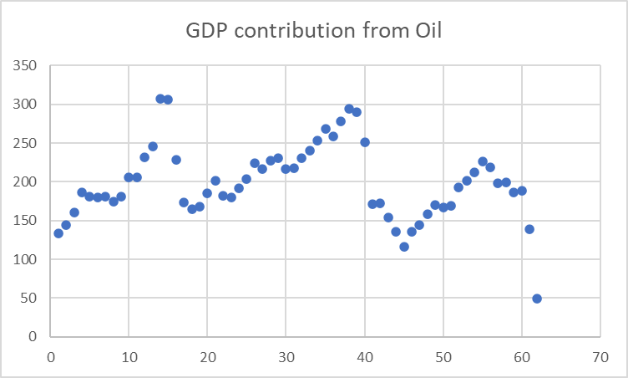
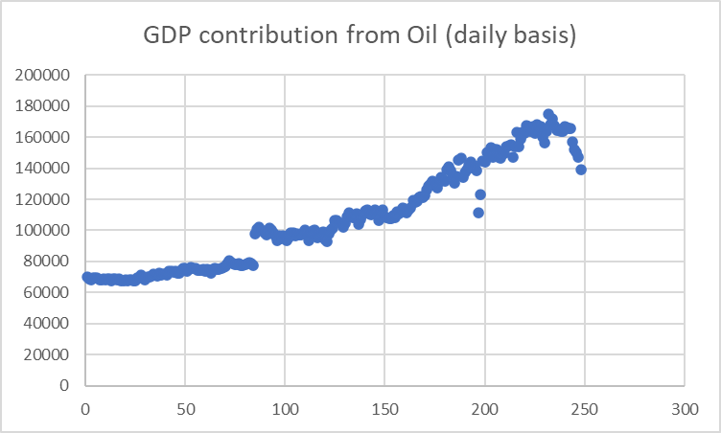
Year | Quarter | Gross domestic product | Oil and gas extraction |  |  |  |  |  |  |  |  |  |  | Date | Oil and gas extraction [211] | Oil and gas extraction (except oil sands) [21111] | Oil sands extraction [21114]

Calculation |  |  |  |  |  |  |  |  |  |  |  |  |  | Calculation
1 | This data is in Quarterly basis, when find correlation with Table 1, make it in quarter basis |  |  |  |  |  |  |  |  |  |  |  |  | 1 | Combine with Table 4
2 | Seasonally adjusted annual rate |  |  |  |  |  |  |  |  |  |  |  |  | 2 | all data compared to 2012 $

 | Forecasting using ARIMA
 | https://www.machinelearningplus.com/time-series/arima-model-time-series-forecasting-python/#:~:text=So%20what%20exactly%20is%20an,used%20to%20forecast%20future%20values.
 | https://facebook.github.io/prophet/
 | (FB Profit is the library built in ARIMA, ARIMA is the model)

Visuals
US oil export
38367 | 1239
38398 | 541
38426 | 1111
38457 | 1345
38487 | 1694
38518 | 640
38548 | 1058
38579 | 531
38610 | 727
38640 | 530
38671 | 1445
38701 | 759
38732 | 849
38763 | 415
38791 | 903
38822 | 794
38852 | 829
38883 | 987
38913 | 414
38944 | 472
38975 | 631
39005 | 1152
39036 | 714
39066 | 839
39097 | 294
39128 | 703
39156 | 1047
39187 | 573
39217 | 1117
39248 | 1565
39278 | 822
39309 | 1307
39340 | 1013
39370 | 337
39401 | 603
39431 | 626
39462 | 364
39493 | 578
39522 | 910
39553 | 419
39583 | 581
39614 | 659
39644 | 894
39675 | 1234
39706 | 1173
39736 | 1321
39767 | 916
39797 | 1413
39828 | 1122
39859 | 833
...
Q1/ Correlation between USD and crude exports in US |  | Q4/ GDP contribution of oil export from USA vs. USD |  |  | Steps
 |  |  |  |  | - Table 1: | - Delete 1st 2 rows
 |  |  | Can make subplots using python (same axis, separate y axes) for 3 graphs |  |  | - Set start date, end date, loop through each row, pull just the dates wanted
 |  |  |  |  | - Table 3: | - Delete 1st 15 rows
 |  |  |  |  |  | - Merge table 1 with Table 3, on Date
 |  |  |  | Thao | - Table 7: | - Remove 1st 4 rows
 |  |  |  |  |  | - Transpose
 |  |  |  |  |  | - New column, combine Quarter with years
 |  |  |  |  |  | - Pull Oil column
 |  |  |  |  |  | - Merge with Table 3 based on Quarter basis
 |  |  |  |  | -Plots: | - Oil Export vs. USD on Monthly Basis
 |  |  |  |  |  | - Oil Export GDP vs. USD onQuarterly basi

 | Do see some correlation ups and downs

Q2/ Correlation between CAD and crude exports in CAD | Q4/ GDP contribution of oil export from CA vs. CAD

 |  |  | Can make subplots using python (same axis, separate y axes) for 3 graphs

 |  |  |  | Kevin

 | Not so much correlated

Q5/ Renewable energy production in US/CA and Q6/ Correlation with USD/CAD

Total
38353 | 31275.969
38384 | 27828.054
38412 | 30304.749
38443 | 30259.349
38473 | 34822.251
38504 | 34419.085
38534 | 33521.482
38565 | 28801.78
38596 | 24657.588
38626 | 25188.405
38657 | 26674.784
38687 | 29897.158
38718 | 35871.638
38749 | 32135.701
38777 | 32823.663
38808 | 36415.627
38838 | 38854.114
38869 | 37539.738
38899 | 33560.838
38930 | 29622.294
38961 | 24921.854
38991 | 25349.87
39022 | 28576.089
39052 | 30100.478
39083 | 34712.305
39114 | 26443.501
39142 | 32941.931
39173 | 32583.585
39203 | 34667.964
39234 | 31365.537
39264 | 30848.999
39295 | 28835.231
39326 | 23585.161
39356 | 24158.002
39387 | 24710.813
39417 | 27894.458
39448 | 31021.89
39479 | 28137.647
39508 | 32372.027
39539 | 33204.933
39569 | 38320.976
39600 | 40322.264
39630 | 35888.296
39661 | 30743.626
39692 | 25101.743
39722 | 26117.011
39753 | 26450.408
39783 | 33251.568
39814 | 35229.661
39845 | 29042.71
...
 | Hydroelectricity | Geothermal | Solar | Waste | Wind | Wood
38353 | 24272.165 | 1252.144 | 8.668 | 1278.347 | 1131.569 | 3333.076
38384 | 21606.774 | 1063.014 | 13.082 | 1123.407 | 966.482 | 3055.295
38412 | 22936.068 | 1204.252 | 38.157 | 1277.929 | 1560.626 | 3287.717
38443 | 23058.359 | 1187.134 | 58.263 | 1222.542 | 1697.504 | 3035.547
38473 | 27278.511 | 1264.308 | 81.153 | 1351.152 | 1746.43 | 3100.697
38504 | 26782.99 | 1248.056 | 88.476 | 1329.134 | 1796.924 | 3173.505
38534 | 25956.842 | 1272.697 | 72.329 | 1381.227 | 1420.942 | 3417.445
38565 | 21565.679 | 1253.785 | 75.845 | 1348.025 | 1138.032 | 3420.414
38596 | 17363.684 | 1222.659 | 61.108 | 1283.007 | 1468.347 | 3258.783
38626 | 18006.36 | 1247.204 | 37.665 | 1205.376 | 1446.19 | 3245.61
38657 | 19352.668 | 1219.61 | 12.755 | 1290.21 | 1609.691 | 3189.85
38687 | 22141.157 | 1256.88 | 2.793 | 1330.037 | 1827.814 | 3338.477
38718 | 27436.656 | 1229.567 | 12.935 | 1388.234 | 2382.633 | 3421.613
38749 | 24761.683 | 1110.817 | 19.533 | 1270.35 | 1921.958 | 3051.36
38777 | 24624.609 | 1261.29 | 33.404 | 1344.34 | 2358.632 | 3201.388
38808 | 28555.683 | 1129.089 | 52.074 | 1226.903 | 2471.762 | 2980.116
38838 | 30818.443 | 1095.602 | 70.735 | 1371.355 | 2458.683 | 3039.296
38869 | 29757.284 | 1199.177 | 69.702 | 1328.039 | 2051.766 | 3133.77
38899 | 25439.392 | 1261.352 | 61.656 | 1399.065 | 1955.064 | 3444.309
38930 | 21728.354 | 1288.959 | 82.993 | 1388.888 | 1655.187 | 3477.913
38961 | 17201.461 | 1219.458 | 53.99 | 1307.632 | 1879.144 | 3260.169
38991 | 17055.177 | 1275.227 | 32.283 | 1332.484 | 2442.13 | 3212.569
39022 | 20271.723 | 1207.438 | 15.686 | 1358.822 | 2540.489 | 3181.931
39052 | 21595.951 | 1290.052 | 2.713 | 1382.411 | 2471.69 | 3357.661
39083 | 26044.711 | 1295.617 | 12.842 | 1370.712 | 2452.315 | 3536.108
39114 | 18566.633 | 1122.49 | 19.244 | 1200.214 | 2519.793 | 3015.127
39142 | 24163.456 | 1204.13 | 48.488 | 1373.07 | 3047.092 | 3105.695
39173 | 23890.583 | 1157.975 | 54.464 | 1253.621 | 3171.703 | 3055.239
39203 | 26046.976 | 1154.708 | 84.192 | 1348.72 | 2952.341 | 3081.027
39234 | 22816.608 | 1238.178 | 84.458 | 1392.436 | 2620.416 | 3213.441
39264 | 22477.761 | 1250.382 | 85.793 | 1443.056 | 2158.372 | 3433.635
39295 | 19940.551 | 1254.578 | 75.163 | 1439.539 | 2699.365 | 3426.035
39326 | 14742.534 | 1217.726 | 68.212 | 1400.205 | 2866.722 | 3289.762
39356 | 14796.434 | 1264.546 | 49.233 | 1425.648 | 3376.54 | 3245.601
39387 | 15682.053 | 1210.973 | 24.302 | 1425.131 | 3095.036 | 3273.318
39417 | 18341.675 | 1265.909 | 5.402 | 1452.203 | 3490.232 | 3339.037
39448 | 20779.131 | 1208.838 | 16.289 | 1406.708 | 4273.185 | 3337.739
39479 | 18788.886 | 1086.683 | 35.842 | 1364.461 | 3851.749 | 3010.026
39508 | 21668.938 | 1250.801 | 74.6 | 1472.452 | 4782.02 | 3123.216
39539 | 22233.932 | 1218.121 | 94.141 | 1503.519 | 5225.282 | 2929.938
39569 | 27221.147 | 1258.915 | 98.744 | 1474.908 | 5340.284 | 2926.978
39600 | 29177.427 | 1260.302 | 128.164 | 1501.889 | 5140.376 | 3114.106
39630 | 25555.086 | 1278.754 | 110.878 | 1608.425 | 4008.401 | 3326.752
39661 | 21229.277 | 1272.715 | 105.282 | 1529.496 | 3264.406 | 3342.45
39692 | 16178.192 | 1233.687 | 92.597 | 1426.644 | 3111.452 | 3059.171
39722 | 15469.942 | 1276.855 | 60.243 | 1489.617 | 4756.401 | 3063.953
39753 | 15667.934 | 1233.292 | 28.848 | 1449.293 | 4993.646 | 3077.395
39783 | 20861.491 | 1261.013 | 18.687 | 1506.347 | 6615.899 | 2988.131
39814 | 23490.296 | 1288.81 | 7.19 | 1462.399 | 5950.825 | 3030.141
39845 | 17812.032 | 1167.779 | 30.444 | 1357.453 | 5852.175 | 2822.827
...
 |  |  | US

 |  |  | Make this graph into bar chart like CA chart below
 |  |  | Add Energy from Oil for comparison
 |  |  | Make prediction of renewable energy production in the future
 |  |  | How this increase/ decrease in renewable production affect oil export and thus USD strength ?

 |  |  |  | May

 |  |  | CA
 |  |  | Add Energy from Oil for comparison
 |  |  | Make prediction of renewable energy production in the future
 |  |  | How this increase/ decrease in renewable production affect oil export and thus CAD strength ?

 |  |  |  | Yijing

